1. Title Page
[Project Name]

Project Name: Instacart Grocery Basket Analysis
Date: June 10th, 2025
Analyst Name: Wehad Al-Shaee

Contents:
Population Flow
Consistency checks
Wrangling steps
Column derivations
Visualizations
Recommendations

2. Population Flow
 |  |  | Title page

Population flow

Exclusion flag
Condition: max_order < 5
Obervations to be removed: 1440295
Final total count of order_products_all: 30964564

Orders_products_combined
Orders_products_merged
Orders_products_all

Total:
Total:
Total:
32434489 | 32404859 | 32404859

1.) The grey boxes in the first row of the population flow represent the original data sets as they were when you downloaded them. In the Total fields you need to add the count of the rows when you imported the data set into Jupyter.
2.) The second row of boxes (coloured) represents the data sets after you manipulated them, e.g., removed missing values and duplicates. In the Total fields you need to add the count of the rows after conducting these operations. This offers a visual oveview of how the data flows throughout the data consistency checks.
3.) The third row, where also the arrows are coloured, represents the merges you performed between the datasets. In the Total fields you need to add the count of the rows in the merged datasets, so that you end up with the final dataset (in the red box). Keep in mind the final dataset should be without exclusions (based on the exclusion flag).

3. Consistency checks
 |  |  |  | Title page
Consistency checks

Dataset | Missing values | Missing values treatment | Duplicates
orders | days_since_prior_order column : 206209 | As it is the first order of the day no action is required here. | 0 Duplicate Values found.
products | Product name have 16 missing values. | Removed from Dataframe. | 5 Duplicate Values were found.
orders_products_prior | 0 values found | NA | 0 Duplicate Values found.
customers | 11259 First name values are missing | NA | 0 Duplicate Values found.

4. Wrangling steps
 |  |  |  | Title page
Wrangling steps

Columns dropped | Columns renamed | Columns' type changed | Comment/Reason
eval_set |  |  | No reqiured in the analysis
_merge |  |  | Unnecessary information
 | order_dow to orders_day_of_week |  | For better understanding
 | Surname: Last Name |  | For better understanding
 | STATE : State |  | For better understanding
 | date_joined : Date Joined |  | For better understanding
 | n_dependants : Number of Dependents |  | For better understanding
 | fam_status : Family Status |  | For better understanding
 | income : Income |  | For better understanding
 |  | order_id | To string
 |  | order number | To string

5. Column derivations
 |  |  |  | Title page

Column derivations and aggregations

In this tab you should add tables below that the frequences of flags/label variables that you produced after deriving them. NB: don't do this for continuous variables, only for flags.
Dataset | New column | Column/s it was derived from | Conditions
orders | first_order | days_since_prior_order | NaN
ords_prods_merge | price_range | prices | If prices <= 5 then 'Low-Range product' If prices >5 & <= 15 then 'Mid-range product' If prices > 15 then 'High-range product' else 'Not enough data'
ords_prods_merge | busiest_days | orders_day_of_week | If value == 0 or value == 1 then 'Busiest days' If value == 3 or value == 4 then 'Least busy' else 'Regularly busy'
ords_prods_merge | busiest_period_of_day | order_hour_of_day | if value == 10 or value == 11 or value == 14 or value == 15 or value == 13 or value == 12 or value == 16 or value == 9: then ("Most orders") if value == 17 or value == 8 or value == 18 or value == 19 or value == 20 or value == 7 or value == 21 or value == 22: then ("Average orders") else: ("Fewest orders")
ords_prods_merge | loyalty_flag | max_order | ['max_order'] > 40, 'loyalty_flag'] = 'Loyal customer' ['max_order'] <= 40) & ['max_order'] > 10), 'loyalty_flag'] = 'Regular customer' ['max_order'] <= 10, 'loyalty_flag'] = 'New customer'
ords_prods_merge | spender_flag | average_spend | ['average_spend']<10,'spender_flag']='Low_spender' ['average_spend']>= 10, 'spender_flag'] = 'High_spender'
ords_prods_merge | Customer_frequency | days_since_prior_order | ['Customer_frequency'] > 20, 'frequency_flag'] = 'Non_frequent_customer' ['Customer_frequency']>10) & (ords_prods_merge['Customer_frequency']<=20),'frequency_flag'] = 'Regular customer' ['Customer_frequency'] <= 10, 'frequency_flag'] = 'Frequent Customer'
ords_prods_cust_merge | Region | State | All the States in the country categorized by reigon.
ords_prods_cust_merge | Customer_Activity | max_order | ['max_order'] < 5, 'Customer_Activity'] = 'LOW' ['max_order'] >= 5, 'Customer_Activity'] = 'HIGH'
Updated_df | Age Group | Age | ['Age'] <= 25, 'Age Group'] = 'Youth' (['Age'] > 25) & (['Age'] <= 64), 'Age Group'] = 'Adults' ['Age'] > 64, 'Age Group'] = 'Senior'
Updated_df | Income Group | Income | ['Income'] <= 50000, 'Income Group'] = 'LOW' ['Income'] > 50000) & ['Income'] <= 150000), 'Income Group'] = 'MIDDLE' ['Income'] > 150000, 'Income Group'] = 'HIGH'
Updated_df | Number of Dependents | dependents_flag | ['Number of Dependents'] == 0, 'dependents_flag'] = 'No Dependents' ['Number of Dependents'] >= 1, 'dependents_flag'] = 'Has Dependents'

6. Visualizations
 |  |  |  |  | Title page

Visualisations

In this tab you should include all the visualtions from Exercises 4.9 and 4.10, alongside the questions from the project brief that they answer. Include any commentary on the relationship between different variables.

Objectives: | For Sales and Marketing Teams

Question: | What the busiest days of the week and hours of the day are (i.e., the days and times with the most orders) in order to schedule ads at times when there are fewer orders?

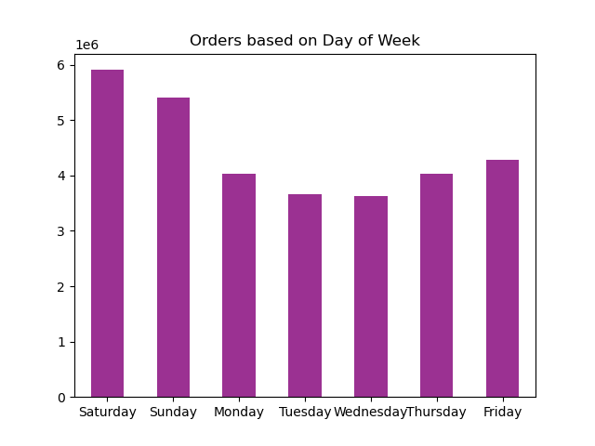

 |  | Answer: | The Weekends are the busiest time of the week. Also, the maximum number of orders were received in the business hours especially between 9 am and 11 am.

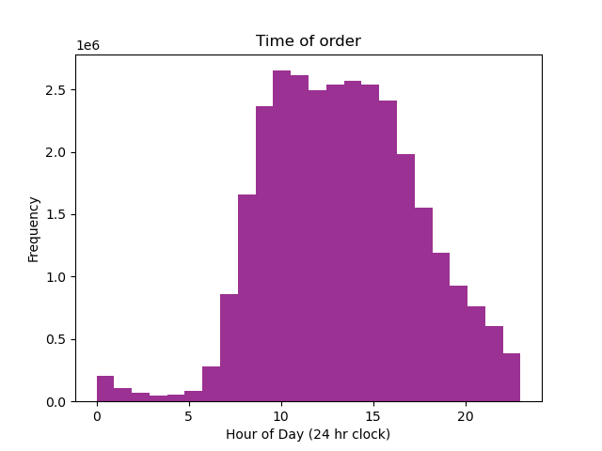

Question: | Are there particular times of the day when people spend the most money, as this might inform the type of products they advertise at these times. The highest frequency of product orders will be determined here?

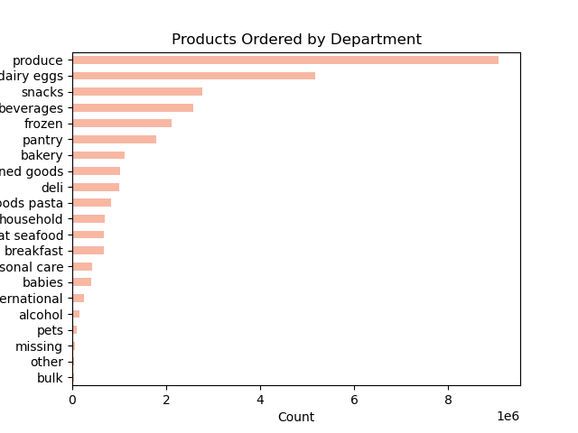

 |  |  | Answer: | The best selling products of the organization are produce, dairy eggs and snacks. The time of day where people spent the most money on the products is during the morning rush hour traffic.

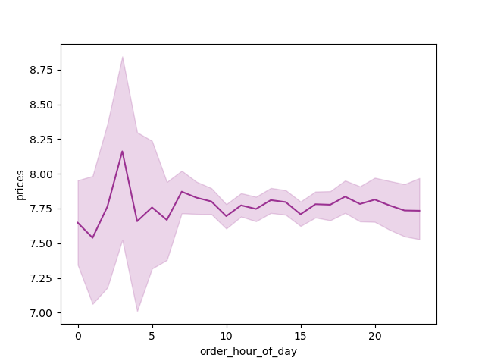

Question: | What’s the distribution among users in regards to their brand loyalty (i.e., how often do they return to Instacart)?

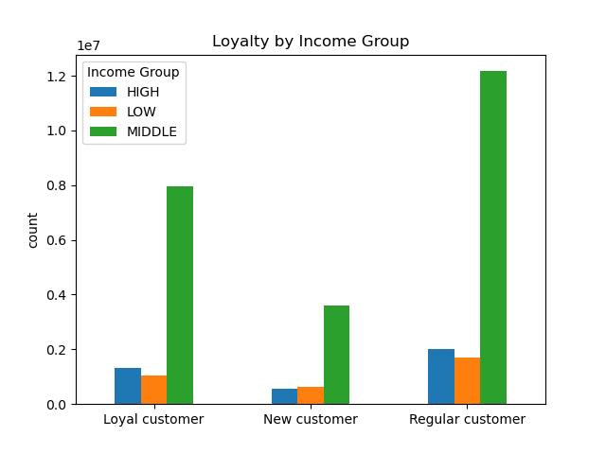
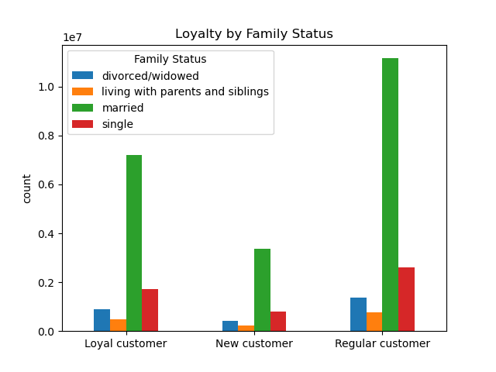

Answer: | The returning customers are found out to be from the middle-income and married groups.

Question: | Are there differences in ordering habits based on a customer’s loyalty status?

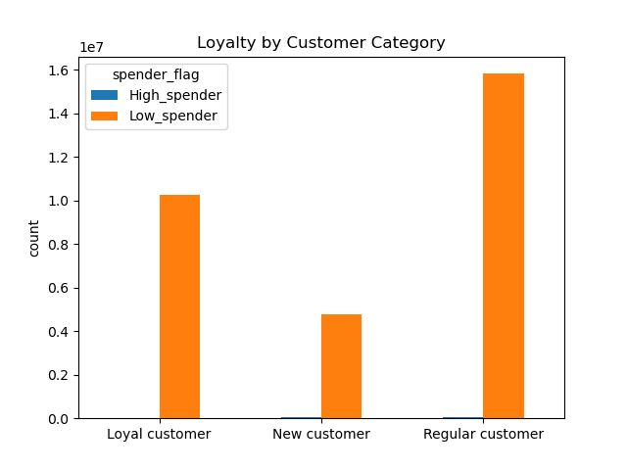

 |  |  | Answers: | The highest number of orders were placed by the low_spender category. On the other hand, high_spender category made very few purchase orders.

Question: | Are there differences in ordering habits based on a customer’s region?

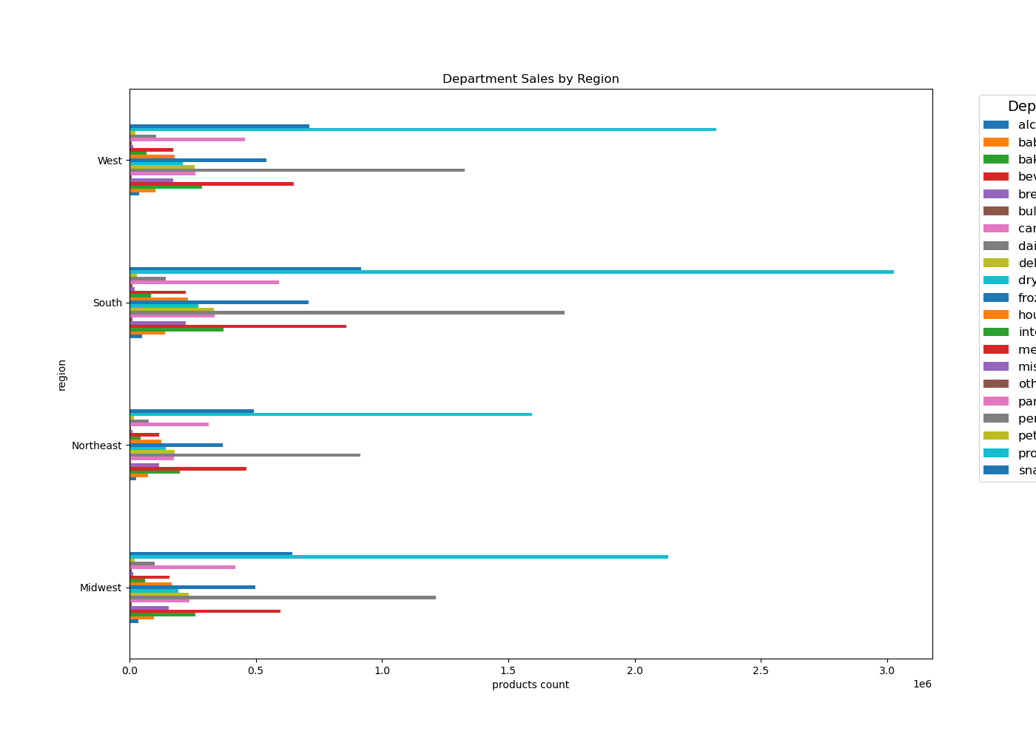

Answer: | The overall comparison of the purchase orders among different product categories across regions have been demonstrated above. The Western and Southern region have the most amount of sales across different product categories.

Question: | Is there a connection between age and family status in terms of ordering habits?
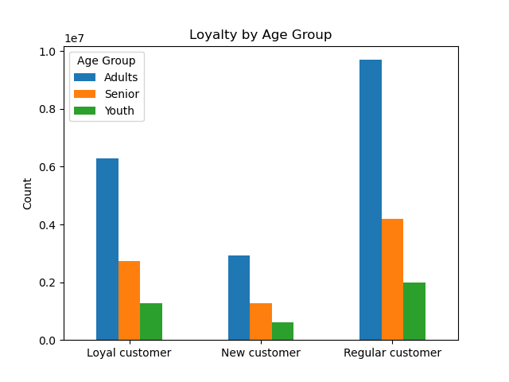

Answer: | Mostly orders were placeed by adults and from the Loyalty by Family Status Bar Chart; we can confirm that most of them are married.

Question: | What different classifications does the demographic information suggest? Age? Income? Certain types of goods? Family status?
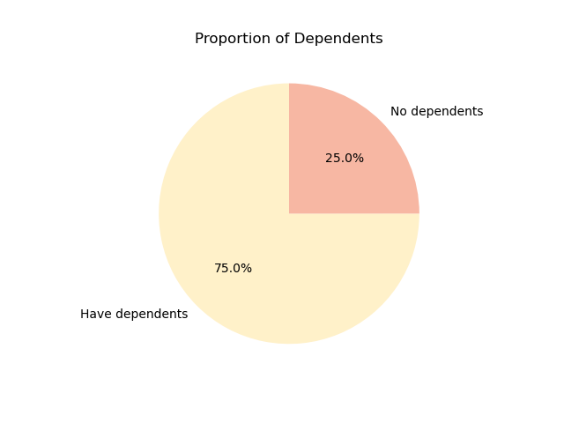
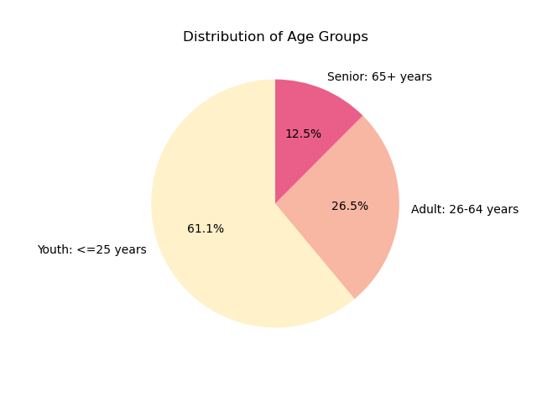

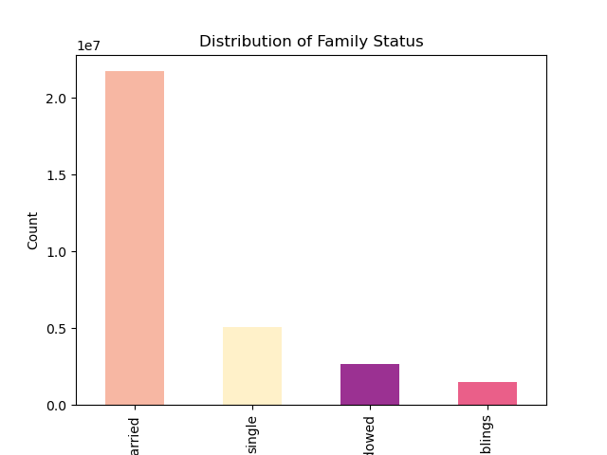

 |  | Answer: | After the analysis, we found that the majority orders were from married group, with 75% of them have dependents. This proprtion of dependents further supports the Distribution of Age Group(having 61% of their customers as youth). As most of the times, parents take their kids to shoping with them or ask them to buy groceries depending on the senario they are in.

7. Recommendations
 |  | Title page

Recommendations

In this tab you should include any recommendations you would made to Instcart in terms of their marketing strategy based on the questions posed in the brief. Every key question has been covered in the Tasks of the Exercises - here you need to add an item - a visualisation or table/crosstable that is showing the answer in the data, acompanied by a comment from you. Please, list the questions below and add the answer underneath.

Question | What the busiest days of the week and hours of the day are (i.e., the days and times with the most orders) in order to schedule ads at times when there are fewer orders?

Answer | Weekends are the busiest time of the week, with the highest number of orders received during business hours, especially between 9 a.m. and 11 a.m. To boost sales on weekdays, introducing discounts or promotional offers would be beneficial. This also presents a great opportunity to encourage customers to join membership programs.

Question | Are there particular times of the day when people spend the most money, as this might inform the type of products they advertise at these times. The highest frequency of product orders will be determined here?

Answer | The organization’s best-selling products are produce, dairy, eggs, and snacks. The time of day when customers spend the most money on these products is during the morning rush hour. To capitalize on this, we have two options: either offer promotional discounts on the best-selling products to boost sales further, or introduce a bulk category where customers can purchase wholesale, family-sized packaging similar to Costco.

Question | What’s the distribution among users in regards to their brand loyalty (i.e., how often do they return to Instacart)?
Answer | Returning customers are primarily from the middle-income and married groups. The recommendation is to introduce discounts on high-end products, targeting the higher-income customer base. This approach increases the likelihood of these items being purchased more frequently and may also encourage middle-income customers to make occasional purchases.

Question | Are there differences in ordering habits based on a customer’s loyalty status?
Answer | The highest number of orders were placed by the low_spender category, while the high_spender category made relatively few purchases. It is up to the board members to decide which category they want to encourage to buy more products—whether to focus on high-spending customers or low-spending customers. Suggestions for both approaches have been discussed in the recommendations mentioned above.

Question | Are there differences in ordering habits based on a customer’s region?
Answer | The overall comparison of purchase orders across different product categories and regions is shown above. The Western and Southern regions have the highest sales across various product categories. To boost sales in the other two regions, we could introduce regional promotional offers that are only applicable in specific areas. This strategy would encourage customers to purchase products more frequently. Additionally, there is potential to encourage residents to relocate to these regions, as some people consider living expenses when deciding to move.

Question | Is there a connection between age and family status in terms of ordering habits?
Answer | Most orders were placed by adults, and the Loyalty by Family Status bar chart confirms that the majority of these customers are married. Consequently, the highest number of orders is likely to come from family members. Therefore, introducing family-sized packaging, as recommended above, will help boost sales within this customer segment.

Question | What different classifications does the demographic information suggest? Age? Income? Certain types of goods? Family status?

Answer | Based on the demographic analysis, the majority of our customers are married, with 75% having dependents. This aligns with the age distribution, where 61% are classified as youth. Since parents often shop for their families—either with their children or on their behalf—it would be strategic to focus on products that appeal to families. Offering more family-oriented goods can drive quicker purchasing decisions, reduce wait times, and better meet the needs of our core customer base. This targeted approach presents a valuable opportunity to increase sales and enhance customer satisfaction by aligning more closely with the preferences of our primary demographic.

